PPR
Dorsolateral GPe | Before | During | After | Normalized PPR | Before | During | After | Before | Baseline(15min)
200904_c001_data | 1.745318 | 1.94925 | 2.3466 | (%) | 100 | 111.68451824 | 134.451143 | During | QP(10uM) treatment for 10 min
201015_c001_data | 1.74684 | 1.879696 | 1.225789 |  | 100 | 107.6055048 | 70.171795929 | After | After QP(10uM) treatment for 15 min
201029_c001_data | 1.532434 | 1.731934 | 1.270606 |  | 100 | 113.0185052 | 82.9142397
201124_c001_data | 0.494074 | 1.179413 | 0.983378 |  | 100 | 238.7118124 | 199.03455758 |  | PPR increased with statistical significance after QP treatment
210108_M2_c001_data | 2.307324 | 1.151888 | 1.327738 |  | 100 | 49.923114396 | 57.544497435 |  | Weaker statistical significace in PPR increasement after QP treatment
210127_M1_c004_data | 1.912021 | 2.568413 | 1.839305 |  | 100 | 134.32974847 | 96.196903695
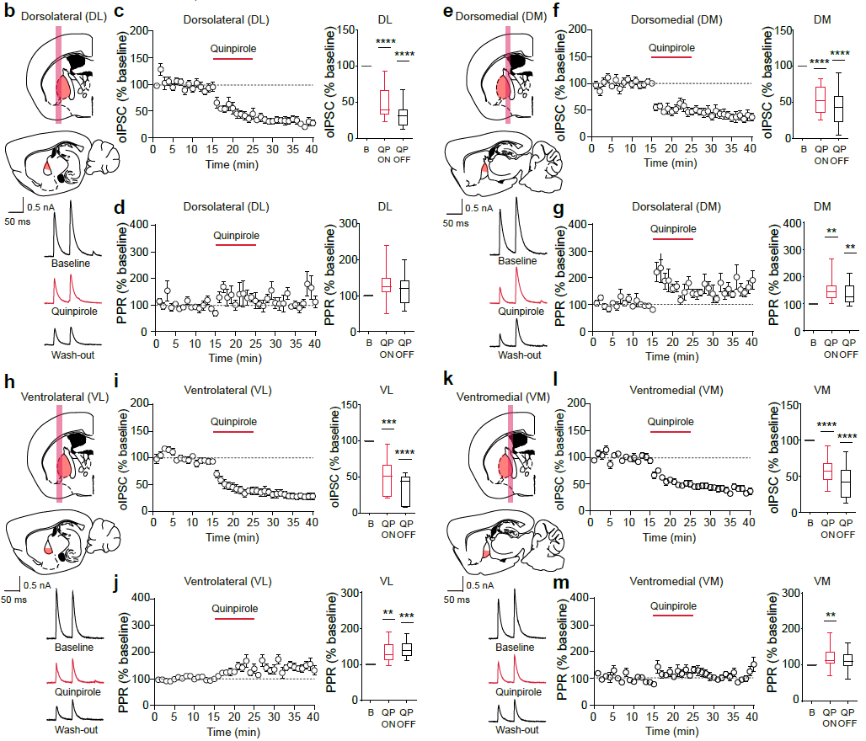
210528_c001 | 1.156086 | 2.153764 | 1.251096 |  | 100 | 186.29790517 | 108.21824674
230603_c001 1-95 | 0.54571 | 0.738224 | 0.719564 |  | 100 | 135.27771161 | 131.85831302
230602_c005 1-115 | 0.523086 | 0.609879 | 0.712884 |  | 100 | 116.59249148 | 136.28428213
230605_c003 1-107 | 0.715151 | 0.95746 | 1.123029 |  | 100 | 133.88221508 | 157.03382922

Ventrolateral GPe | Before | During | After | Normalized PPR | Before | During | After
201013_c001_data | 1.23955 | 1.3737 | 1.369831 |  | 100 | 110.8224759 | 110.5103465
201014_c002_data | 1.671997 | 1.598131 | 2.617114 |  | 100 | 95.582169107 | 156.52623779
210118_M2_c001_data | 0.698994 | 1.331925 | 1.289608 |  | 100 | 190.54884591 | 184.49485976
210122_M1_c002_data | 1.332496 | 2.131953 | 2.059119 |  | 100 | 159.99695309 | 154.53097045
210128_M1_c001_data | 0.743703 | 0.982978 | 1.215129 |  | 100 | 132.17346172 | 163.38901416
230603_c005 1-114 | 0.527579 | 0.597525 | 0.714302 |  | 100 | 113.25791967 | 135.39242464
230602_c001 1-100 | 0.620062 | 0.741487 | 0.77472 |  | 100 | 119.58271915 | 124.94234448
230817_c001 1-87 | 0.717641 | 0.808699 | 0.891966 |  | 100 | 112.68851696 | 124.29139361
230818_c001 1-95 | 0.610529 | 0.946718 | 0.782851 |  | 100 | 155.06519756 | 128.22503108
230818_c003 1-100 | 0.757091 | 1.024776 | 1.077743 |  | 100 | 135.35704427 | 142.35316494

Dorsomedial GPe | Before | During | After | Normalized PPR | Before | During | After
201014_c001_data | 1.623443 | 2.370135 | 2.755403 |  | 100 | 145.99434658 | 169.72588505
201029_c001_data | 1.118459 | 1.560744 | 2.098922 |  | 100 | 139.54414064 | 187.66195274
201123_c003_data | 1.107779 | 1.6739 | 1.354726 |  | 100 | 151.10414622 | 122.29208172
201124_c002_data | 1.469262 | 1.744741 | 1.910118 |  | 100 | 118.74948103 | 130.00526795
210108_M1_c001_data | 2.662298 | 3.142674 | 2.939947 |  | 100 | 118.04366003 | 110.42892268
210122_M2_c001_data | 1.376467 | 1.373932 | 1.451955 |  | 100 | 99.815832853 | 105.48418524
210123_M1_c001_data | 1.644429 | 2.678076 | 1.711083 |  | 100 | 162.85750251 | 104.05332185
210127_M1_c002_data | 1.756122 | 2.29791 | 1.985385 |  | 100 | 130.85138732 | 113.05507248
210129_M1_c002_data | 1.46476 | 3.901406 | 2.298595 |  | 100 | 266.35121112 | 156.92639067
210130_M1_c002_data | 1.198346 | 2.362625 | 2.554586 |  | 100 | 197.15716496 | 213.17599425
230603_c006 1-102 | 1.44046 | 2.034911 | 1.820255 |  | 100 | 141.26813657 | 126.36623023
230605_c002 1-115 | 1.799681 | 3.030977 | 1.660866 |  | 100 | 168.41745843 | 92.286688585

Ventromedial GPe | Before | During | After | Normalized PPR | Before | During | After
200904_c002_data | 1.722772 | 3.255423 | 1.704234 |  | 100 | 188.96423903 | 98.923943505
200916_c001_data | 1.947063 | 2.891395 | 1.169967 |  | 100 | 148.50033101 | 60.088810686
201013_c002_data | 1.886476 | 2.157135 | 1.905999 |  | 100 | 114.34733333 | 101.03489257
201015_c002_data | 1.174111 | 1.550641 | 1.485705 |  | 100 | 132.06936993 | 126.53871738
201030_c001_data | 1.166661 | 1.217928 | 1.531701 |  | 100 | 104.39433563 | 131.28929483
201031_c003_data | 1.104347 | 1.202655 | 1.477953 |  | 100 | 108.90191217 | 133.83048987
210128_M2_c001_data | 1.502096 | 1.638306 | 1.949323 |  | 100 | 109.06799565 | 129.77352979
210129_M2_c003_data | 1.192959 | 1.460668 | 1.338959 |  | 100 | 122.44075446 | 112.23847592
210208_M2_c002_data | 1.516729 | 1.49613 | 1.309202 |  | 100 | 98.641879993 | 86.317463436
210614_c001 1-103 | 1.407595 | 2.469784 | 2.258702 |  | 100 | 175.46126549 | 160.46533271
210625_c001 1-90 | 1.648974 | 2.450609 | 2.406445 |  | 100 | 148.61416857 | 145.93589711
230602_c006 1-130 | 0.880393 | 0.917692 | 0.940529 |  | 100 | 104.23663069 | 106.83058589
230602_c002 1-114 | 1.441828 | 1.828469 | 1.512945 |  | 100 | 126.81602799 | 104.93241912
230605_c001 1-105 | 1.217405 | 1.350385 | 1.511357 |  | 100 | 110.92323426 | 124.1457855
230817_c002 1-100 | 1.114656 | 1.255 | 1.263833 |  | 100 | 112.59079034 | 113.38323214
230818_c002 1-142 | 1.74979 | 1.238624 | 1.466543 |  | 100 | 70.787008727 | 83.812514645
230818_c004 1-108 | 1.534028 | 1.816129 | 1.527796 |  | 100 | 118.38956003 | 99.593749267
230819_c001 1-146 | 0.608623 | 0.61817 | 0.5615 |  | 100 | 101.56862294 | 92.257440156

